Table 1
BYCO PETROLEUM PAKISTAN LTD. YEAR: 2016-2020
INTRODUCTION TO BUSINESS FINANCE.
SANIA KHAN (20201-27602) SUBMITTED TO: DR. ARSALAN HUSSAIN



Table Of Contents:
Introduction: 3
• Name 3 • Corporate Mission 3 • Corporate Vision 3 • Nature of the business… 3 • Competitors… 3
Common size 4&5
Index Analysis… 6&7
Ratio Analysis… 8-16
• Liquidity Ratios……………………………………………………… • Asset Utilisation Ratios…………………………………………… • Asset Turnover Ratios …………………………………………… • Debt Utilisation Ratios…………………………………………… • Profitability Ratios ……………………………………………….. • Market Value Ratios………………………………………………
Industry Leader’s Ratios 17-22
Recommendation 23
INTRODUCTION  CORPORATE MISSION
“Setting high standards of care for environment, health and safety.”
Our vision is to be the leading energy company by delivering the core business, achieving sustainable productivity and profitability to deliver a superior shareholder return.
❖ CORPORATE VISION
“Our mission is to proactively invest in the development of infrastructure, in order to become a single source supply chain for meeting the economy’s chemicals, energy, petroleum and petrochemical requirements, thereby providing the best possible returns to all our stakeholders.
NATURE OF THE BUSINESS
Byco is engaged in the manufacturing of a wide range of petroleum products. It aim to achieve sustainable productivity and profitability, while maintaining the highest standards of care for the environment, health and safety. This practically means enacting policies that assure ongoing human resource development, enhancement of value addition, implementation of conservation measures, growth up gradation and the addition of newer generation technologies.  COMPETITORS
• Hascol Petroleum Limited.
• Pak-Arab Refinery Ltd.
• Pakistan Petroleum Limited.
COMMON SIZING
INTERPRETATION:
The above done common sizing of the balance sheet indicates the company’s long term investments increasing in the year 2018 only the reason behind this can be perhaps the company’s prediction of profit before covid, as far as the loans are concerned the company’s long term loans started decreasing from 2017 and onwards. On the other hand the stock-in trade of the company decreased in the year 2017 but then increased again in 2018 and 2019 and again in 2020 it got decreased due to the pandemic when the fuel demand went low and company
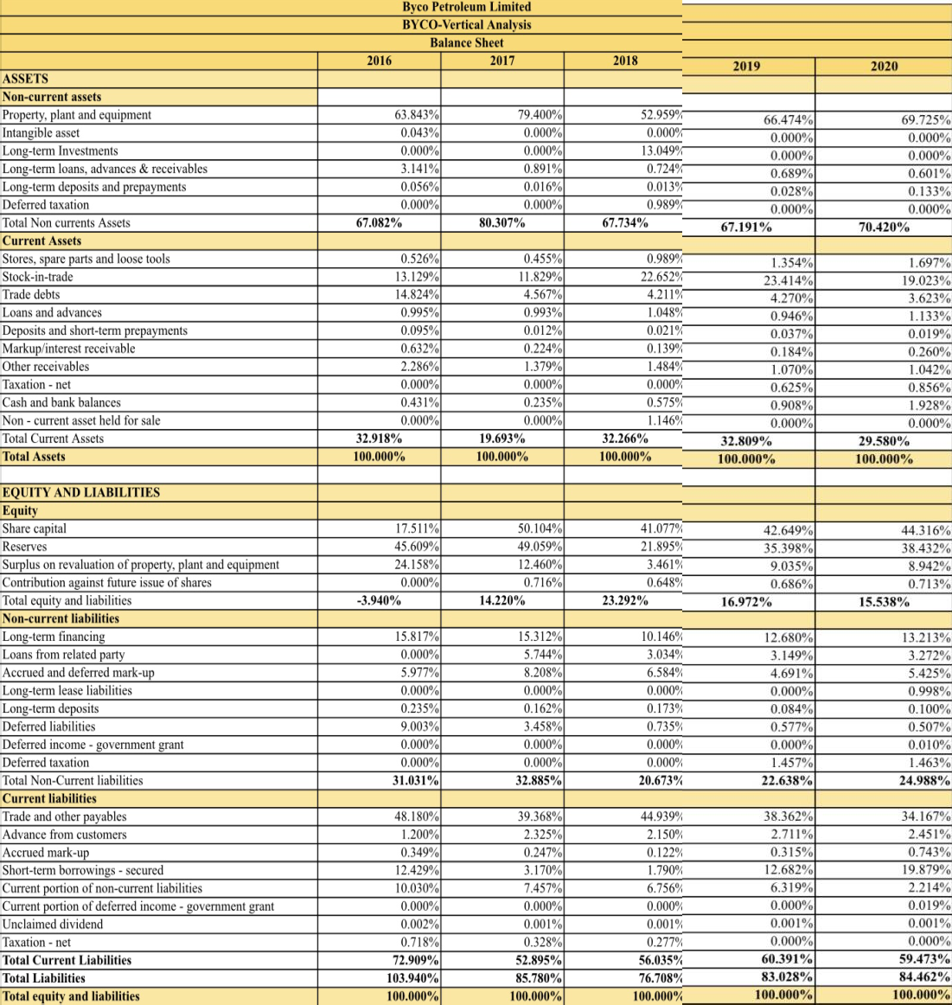

started facing crisis. The trade dents for the company faced a massive trend change of 10% between the years 2016-2017. Along-with this the company’s share capital and reserves for influenced in the years 2016- 17 as well this is because of the dollar rate increasing in the country and the petrol rates rising. The overall analysis states the reasons being the increment in the prices of oil and petrol and also the fuel demand increasing and specifically decreasing in the pandemic.
INTERPRETATION:
The above vertical analysis/common sizing of the company’s Income statement declares that the gross profit of the company decreased from 5.51% to 0.61% in the year 2019-20 the reason is the covid-19 as while pandemic the fuel demand dropped down massively and the company has to face crisis. Apart from this the company’s income statement is stable in terms of expenses and costs. The only downfall the company had to face was in 2019 when the pandemic emerged and 2020 when the pandemic was on full swing.
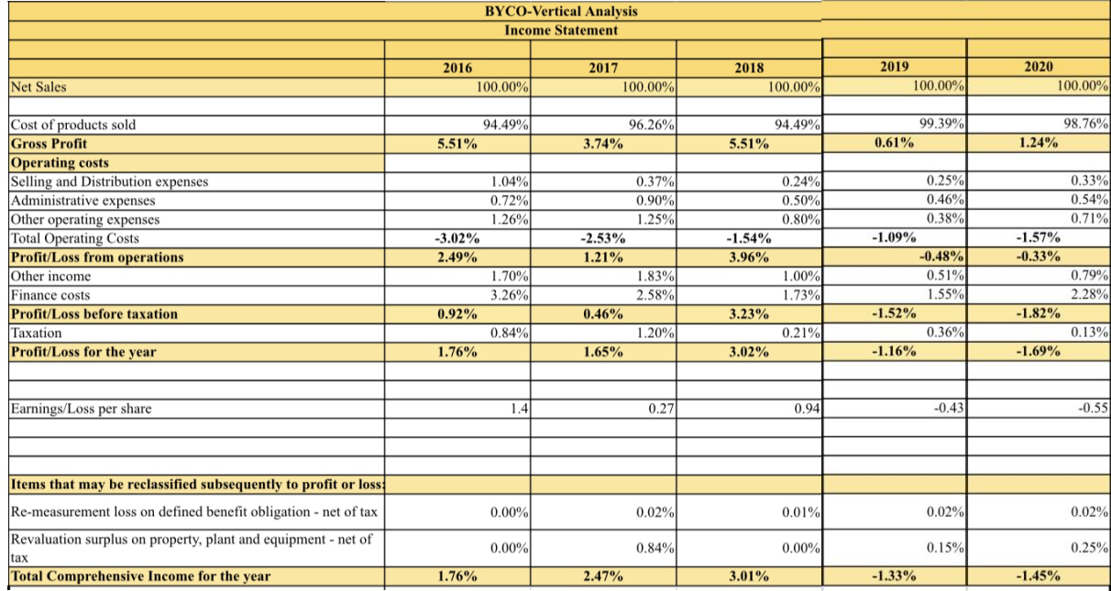
INDEX ANALYSIS
INTERPRETATION:
The above done horizontal analysis pf five years 2016-2020 with percentage change from base year 2016. In comparison to the years we can see that property plant and equipment have increased by 36% but then it decreased and again got increased this means that the company have invested in many equipment and properties since 2016. Also, long term deposits faces a massive trend change from 2019 – 2020 because of the covid-19 and decreasing demand of fuel. Other receivables have increased and cash and bank balances also got increased this means the
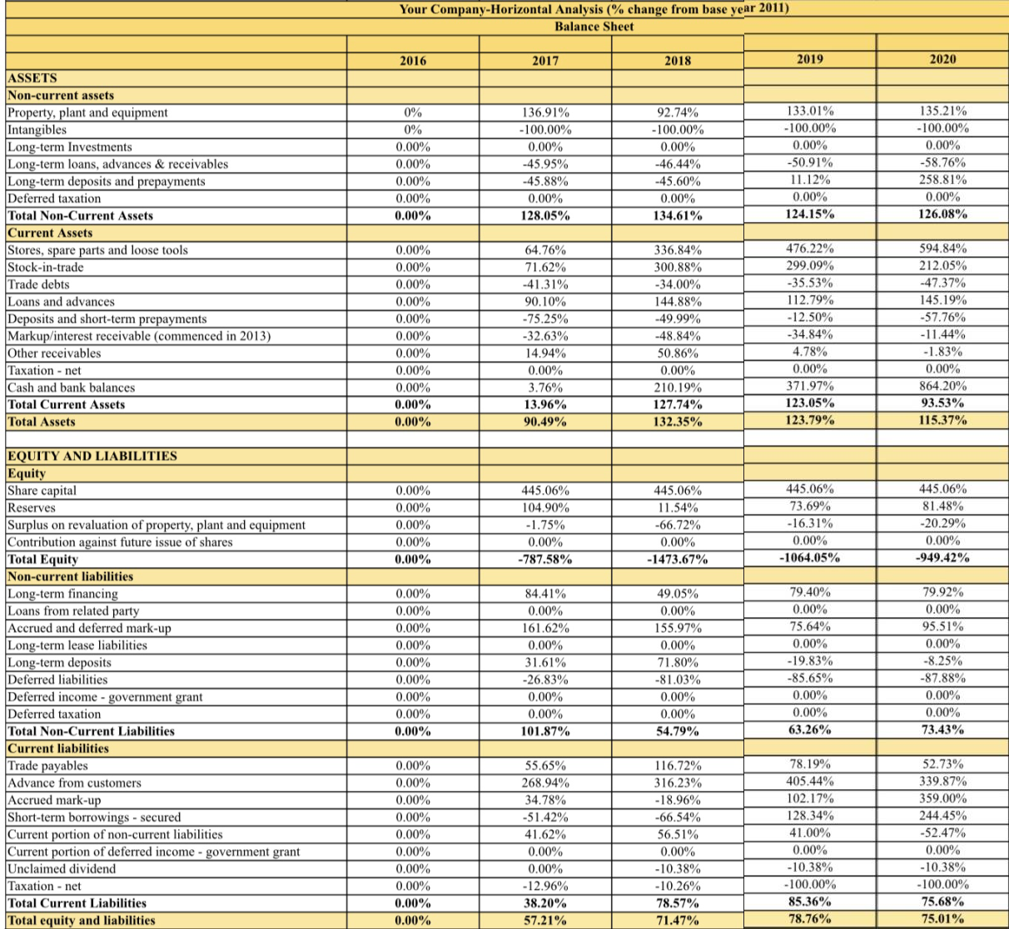

company had enough money to pay in cash to the suppliers and also for purchasing. Overall assets have increased by 10%. In the equity section, reserves have increased in 2017 but then decreased massively in 2018 all the way from 104% to 11% which means the amount of cash faced scarcity. Seems like the company’s purchasing more on credit than cash. Current liabilities are more than Non current liabilities
INTERPRETATION:
The above picture represents the index analysis of five years from 2016- 2020, with the base year 2016. In comparison we can see that the gross profit increased in the year 2018 but then again got decreased in the coming years because the distribution costs have been decreased by 59%. Operating profit have also decreased throughout the years except for 2018. As expenses have been increased due to COVID-19 pandemic. Other in seems like Pandemic have affected everyone, with the profit being decreased in 2019-2020.
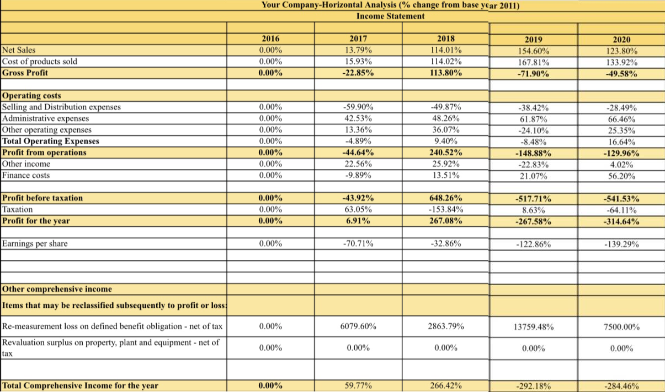
RATIOS
INTERPRETATION:
1. Liquidity Ratios:
Current Ratios: Current ratio studies the short-term liquidity position of the company and demonstrates as to whether the company has the ability to pay its short-term obligations with its short term assets. For Byco, the current ratios are quite low compared to the competition. Overall Byco’s current ratio was 0.45 in 2016, ratio reaches 0.58 in 2018 and then follow a downward slope and reaches 0.50 till 2020. To analyse we must look at the horizontal analysis of current assets and current liabilities. Current assets in 2017 were increased by around 13 percent but current liabilities were increased by around 38 percent. Hence current ratio showed a negative slope in 2017. But that wasn’t the case in 2017. In 2017 current assets showed a massive increase as it increased by around 128 percent the amount of current assets in 2016. Whereas current liabilities only increased by around 79 percent the
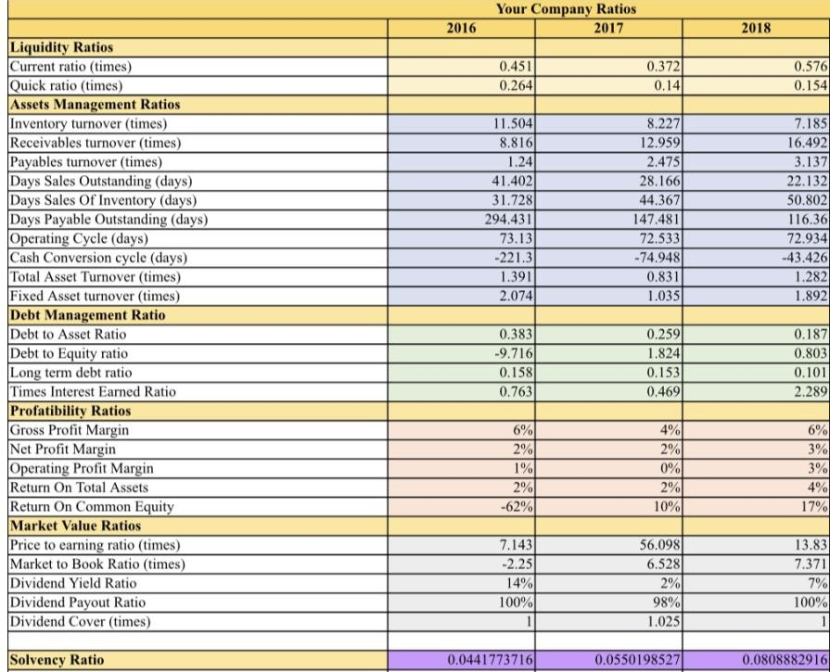 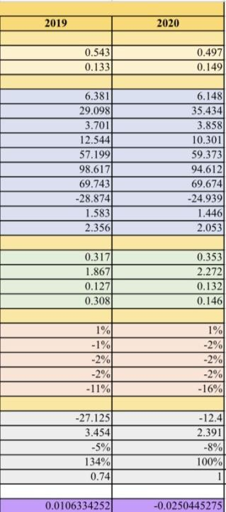
amount of current liabilities in 2016. Which lead to the peak of 2018. The next 2 years weren’t really good for Byco in terms of current Assets.in 2019, the current assets fall from 127 percent to around 123 percent whereas current liabilities kept increasing, it increased to 85 percent where as in previous year it was just around 79 percent. Increase in liability and decrease in current assets lead to a negative sloping graph in 2019. In 2020. This time around both the current assets and current liability are decreasing. This time around current assets decreased to 115 (from 123) percent whereas current liability decreased from 85 percent to 76 percent. Since the proportion of current assets decreasing is more than current liabilities decreasing, current assets are decreasing in 2020 as well.
Quick Ratio: Quick ratio, like current ratio, examines the liquidity position of the company however, the ratio eliminates inventory and spare parts since these are less liquid. The company’s ability to pay its short- term liabilities with its liquid assets is analysed. In quick ratio we will also use horizontal analysis. In this case as well we do not see a very good progress. If quick ratio is equal to 1 or more then 1, it shows company has got enough liquid assets to cover its current depts. but unfortunately, Byco’s quick ratio is significantly low. It is maximum in 2016 where it is only 0.26 it further decreases to 0.14 in 2017 and follows a constant slope. Even 0.26 quick ratio is quite low, 0.14 is extremely low. In 2016, the current ratios are 0.24, the trend decrease enormously because these inventory are increasing enormously, stocks and spare increase by 65 percent whereas stocks available increase by 71 percent, there is only 13 percent growth in current assets which means most of the growth is because pf these inventories hence that is why in this period there is a huge decline of quick assets. From 2017 to 2020 we see almost constant straight line with minor fluctuations. In 2018 we see a huge increase in inventories as Stores, spare parts and loose tools and stock in trade both increased by more than 300 percent compared to what it was 2016 that is why the current ratio in 2018 was 0.58

and quick ratio in this year is 0.15. As the remaining 0.43 was because of the inventories. In the next 2 years as well inventories wore very high as well that is why the quick ratio revolved around 0.13 to 0.15
2. Asset Management Ratios:
Inventory Turnover: Byco Petroleum had an overall decrease in its inventory turnover from 11.5 times to 6.15 times. The highest rate of decrease in the inventory turnover was in the financial year 2016, when the stock in trade has increased by almost 70%. However in the years ahead the stock in trade did increase significantly but the sales figures also boosted which is why there is a steady decrease visible. The overall decrease in Byco’s inventory turnover resulted in an increase in Byco’s day sales of inventory. While Byco’s inventory turnover saw a consistent decrease, the industry’s inventory turnover also fell from 13.4 times in the financial year 2016 to 9.47 times in the financial year 2020. It decreased by 29%. In 2016 Byco and its competitors saw a significant decrease in their inventory turnover ratios
Payables Turnover: Over the financial years 2016 to 2020 Byco’s payables turnover overall increased from 1.24 times to 3.86 times. Simultaneously the overall increase in payables turnover caused the days payable outstanding to have an overall decrease from 294 days in 2016 to 94 days in 2020. There was a 211% increase in the payables turnover which led to a 68% decrease in the days payable outstanding. The highest rate of increase in the payables turnover for Byco Petroleum was in the financial year 2016 after which the ratio continued to rise but at a lower rate. There was an overall increase in the payables turnover of the industry from 2.91 times to 4.33 times over the financial years 2016 to 2020. The industry’s
average payables turnover was at a similar trajectory as Byco Petroleum until the year 2019
Total asset turnover: Byco’s asset turnover has remained relatively stable over the 5 years, varying from 2 to 2.5 times between FY 2018-2019. The increase from 2 to 2.5 between 2-2016 and 2019 can be a result of an overall increase in sales by 54.6%. In the FY 2020, this was reduced to 2% due to a decrease in sales. The industry average total asset turnover remained below that of Byco. From FY 2016 to FY 2020, with the exception of a fall in the FY 2017 from 1.39 to 0.83. This fall is primarily due to an increase in the total assets of all 4 competitors in the FY 2017.
Fixed asset turnover: In the FY 2017, the fixed asset turnover of Byco decreased from 6 times to 5 times, even though the total asset turnover increased during this duration. This suggests that Byco bought more property, plant and equipment, which led it to increase by 36.9%. The 13.8% increase in sales was not sufficient enough to generate higher returns from the fixed assets, causing Byco’s fixed asset turnover to fall. The turnover remained relatively stable at 5% until the FY 2020 during which the sales declined by 12% and long term deposits increased, resulting in a fall in the amount generated by sales from fixed assets.
3. Debt management ratios:
Debt to equity ratio: The debt to equity faced an overall increase from -9.72 to 2.27 over the period of 5 years. The sharpest increase was seen to be in 2020 when the global pandemic took over. In FY 2016, byco had a negative figure for its total shareholder’s equity due to the significant decrease in the company’s reserves. In FY 2017, the debt-to-equity ratio rose to 1.82. this change can be attributed to
the issuing of new shares by the company to its shareholders in 2017 which increased the total equity for the company and to the increase in long term financing as byco availed facilities from various banks leading to the rise in long term financing. The ratio then decreased in 2018 before rising in the next 2 years from 0.8 to 2.27 due to increased short-term borrowings of the company during the global pandemic.
Long term debt ratio: In the FY 2016, the long term debt ratio is seen to be the highest (0.16) of the five years. In FY 2017, the LT debt ratio dropped slightly to 0.15 as Byco acquired new plant and machinery which almost doubled the total assets of the company but, at the same time, byco availed facilities from various banks leading to the rise in long term financing for its fixed and current assets. In FY 2018, the company experienced the lowest LT ratio (0.10). this change can be attributed to the rise in stock-in-trade which was almost 230%. In years 2019 and 2020, the ratio remained almost constant at 0.13 as there was no significant change in long term financing and the total assets.
4. Profitability Ratios
Gross profit margin: Byco’s gross profit margin shows a declining trend over the 5 years from 6% to 1%, with the exception of a subtle increase of 4% to 6% between the years 2017 and 2018. The subtle increase in the margin in 2018 can be attributed to a sharp increase in sales whereas the decline in the upcoming years was potentially the result of the cost of goods sold rising more than proportionately to a rise in sales. In the FY 2018, the industry average shows a stable declining trend, whereas Byco showed an increase from 4% to 6% due to a higher proportionate increase in sales of 88.07% than in the cost of goods sold of 84.06%. On the other hand, the industry average
gross profit margin shows a decline in 2018, from 3.5% to 1.8% due to a sharp decline in National refinery Limited’s gross profit margin due to a substantial increase in the cost of sales compared to a limited increase in sales
Net profit margin: In the FY 2018, the NP margin of Byco improved from 2% to 3% due to an increase in the gross profit along with a decrease in operating expenses as well as taxation. Whereas, the industry average NP margin shows a decline from 2.49% to 0.97% in 2018 due to an increase in the overall industry taxation. In the FY 2019, Byco faces a sharper decline in its NP margin against that of the industry average as Byco’s sales weren’t enough to cover its operating expenses and other costs, leading it to a net loss of -2,291,622. All of the competitors except National Refinery made a profit in 2019, thus making the industry average better than that of Byco.
Operating margin: In the FY 2016 and 2017, the operating profit margins have stayed relatively stable with a slight declining trend. This could potentially be due to the increasing operating expenses and reducing gross profit of Byco as well as the industry average. However, in the FY of 2018, the Op margin of Byco experiences a sharp increase 0% to 3% suggesting that more operating profit was generated from the sales. In contrast, a further decline in the OP of the industry from 2.99% to 1.55% can be seen in 2018.
Return on total assets: Byco experienced an overall decline in its ROTA over the 5 years from 8% in 2016 to 4% in 2020. This suggests that the company was unable to generate proportionately higher operating income from its assets than it did in FY 2016. The fall in ROTA could also be attributed to a substantial increase in the amount of long term deposits and prepayments from, $34,816 to $112,423 which the company was unable to efficiently generate income from.
Return on common equity: In the FY 2017, Byco saw an increase in its return on common equity from -62%to 10%, suggesting that the returns from our capital employed have increased from 2016. This improvement could be attributed to an increase in the operating profit from $3253 m to $3707 m. The Company continued to increase its penetration in retail sector through its marketing arm supported by 300 retail stations across the country. From 2017 to 2018, the company’s ratio remained stable and then declined in FY 2019 and further in FY 2020. The country wide lockdown in March and April severely affected the oil consumption in the country when the demand fell by over 35%. As a result, refineries were forced to reduce throughput / shut down operations during this period. Other than that, the current liabilities such as the prepayments from customers and trade payables of Byco reduced, resulting in a lower capital employed.
5. Market value ratios:
Price to earning ratio: The company faced an overall decline in the Price to earning ratio from 56.1 to -12.4. In FY 2017, the company had the highest ratio of all the five years due to the 23% increase in Price per share and a significant fall of 70% in earnings per share. In FY 2018, the company faced a major fall in PTE as the price per share dropped by 77% whereas the earnings per share increased from 0.41 to 0.94 due to the increased number of sales (almost double) in 2018. In 2019, the company faced losses in its operations which led the PTE to become negative. The earnings per share were - 0.32 and the price of the share dropped by 33% and hence the negative PTE. The losses were attributed to the COVID-19 pandemic. In FY 2020, the company again faced losses but those were lesser than the preceding year. Due to the losses, the EPS was negative and in the same year, the share price also fell by 21%.
Market to book ratio: In FY 2016, the company’s market to book ratio appears to be in the negative side of the graph which indicates that either the price per share rose in that year, or the book value per share sank. If look at the figures of 2016 and 2015, the price per share remained same but the book value decreased from 1.88 to -4.44, leading to the negative value of the market to book ratio. In FY 2017, the company experienced an increase in its market to book ratio due to the most significant change of all 5 years, in the book value from -4.44 to 3.52 and as well as in the price per share from 10 to 23. This change can be attributed to the gain in share capital in 2017 as byco issued new shares to is shareholders. In FY 2018, the company had the highest market to price ratio of 7.37. the price per share fell by 43% and the book value also fell from 3.52 to 1.76 but the fall in the book value was greater than the fall in the price per share hence making the market to book ratio, the highest of the five-year tenure.
Dividend yield ratio: The dividend yield ratio of Byco appears to be less fluctuating as compared to the industry. In FY 2016, the company had the highest dividend yield ratio of 14%. In FY 2017, the company faced the greatest fall in its dividend yield from 14% to 2%, which can be attributed to the 71% fall in the dividends per share, the drastic increase of 130% in the company’s price per share, and low earnings in that year. In FY 2018, the company’s dividend yield rose again till 7% as the dividends per share rose from 0.40 to 0.94 and the price per share dropped to 13 from 23. In 2019, the company faced losses in its operations and that caused the earnings to fall which ultimately, led to the dividends yield to drop to 5%. In FY 2020, the company further faced greater losses due to the global pandemic and the dividends yield ratio further declined to 8%.
Dividend payout ratio:
Throughout the five years, the company’s dividend payout ratio tended to be almost constant excluding the year 2019. The overall change in dividend payout ratio was zero as the company reached 100% again in 2020. The sharpest increase was in 2019 when the ratio increased by 34%. The change in dividends per share and earnings per share was almost proportional every year excluding the year 2019 when the company faced losses and declared no dividends. The same happened in 2020 when the company faced losses again due to COVID-19 and declared no dividends.
Dividend cover ratio: The dividends cover ratio acts inversely to the dividend payout ratio, so the trend of dividend cover ratio appears to be exactly opposite of that of the payout ratio. Byco’s dividend cover, like dividend payout, experienced no overall change from 2016 to 2020. The greatest decrease was seen to be in 2019 when the dividend payout was the highest. The change in dividends per share and earnings per share was almost proportional every year excluding the year 2019 when the company faced losses and declared no dividends. The same happened in 2020 when the company faced losses again due to COVID-19 and declared no dividends. The highest cover ratio was in 2017, when the company’s earnings per share dropped to 0.41 from 1.4 and the dividends per share dropped by even larger percentage. The graph, however, shows almost a straight line for the cover ratio as there was no significant change in cover ratio throughout the five- year period.
INDUSTRY AVERAGE VS BYCO
LIQUIDITY RATIOS:
Current ratios:
The competitor’s averages figure looks way batter then Byco’s analysis. In terms of current assets, we see that the competitors’ average is 4 times batter then Byco’s average. We can see a mountain shaped graph for Competitor’s average. In 2016 we see that competitors average for current ratio is around 1.78 which follows an upward trend till 2018 where it reaches 2.38, but afterwards faces a downfall for next 2 years in terms of current ratio as it reaches 1.8 till 2020.If we dig a little deeper, we can see not all competitors are so better off. The reason behind the competitors average is so high is because of OGDCL. Current ratio of
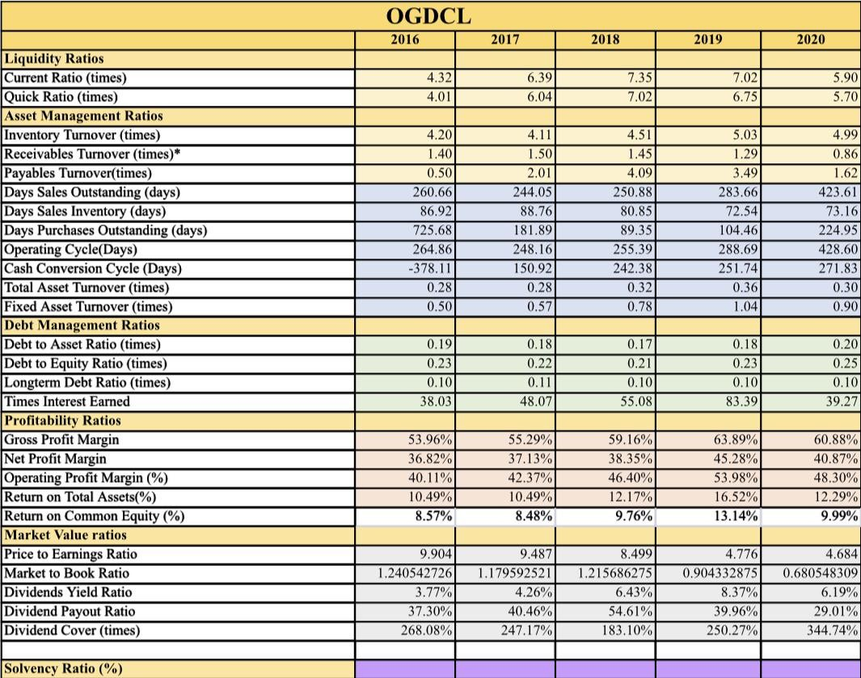
OGDCL range from 4.3 to 7.99, which pools up the industry average throughout.
Quick ratios:
If we see the trend of quick ratios for competitors, we can see a mountain shaped graph same as the current ratio graph for competitors. We can see in 2016, the current ratio for competitor was 1.45, it follows a further upward pattern the next 2 years and reaches 1.91 till 2018. But then it fallows a negative pattern, and it goes back to where it started as it reaches 1.41 In this case as well not all the companies are better off, current ratio of industry average is very high because of OGDCL. In this case as well current ratio revolves around 4.01 to 7.02 which boost up the industry averages.
ASSET MANAGEMENT RATIOS:
Inventory turnover:
While Byco’s inventory turnover saw a consistent decrease, the industry’s inventory turnover also fell from 13.4 times in the financial year 2016 to 9.47 times in the financial year 2020. It decreased by 29%. In 2016 Byco and its competitors saw a significant decrease in their inventory turnover ratios except for OGDCL and NRL. The inventory turnover ratio for OGDCL remained stable but NRL saw an increase in their inventory turnover ratio. But still there was an overall decrease for the industry. The industry’s performance was consistent to Byco’s performance till the financial year 2019. All the firms in the industry had similar performances but Attack Petroleum Limited acted as an outlier in the financial year 2019 to influence the industry average the most.
Payables Turnover:
Along-with this The industry’s average payables turnover was at a similar trajectory as Byco Petroleum until the year 2019 after which the industry average experienced a decrease. OGDCL experienced a 53% drop in their payables turnover from 3.49 times in 2019 to 1.62 times in 2020
and this was responsible to pull down the industry average payables turnover as well as pull up the industry days payable outstanding in the financial period of 2019-2020. However all the companies except for Byco experienced an increase their days payable outstanding in the financial period 2019-2020. Compared to byco, the industry’s long term debt ratio appears to be relatively stable while being the highest in 2019 at 0.086. The industry’s average was lesser than byco’s. Byco appears to be the biggest contributor to the industry’s long term debt ratio with the highest figures of long term financing, pulling the trend of the graph of industry upwards over the period of 5 years.
Total asset turnover:
The industry average total asset turnover remained below that of Byco. From FY 2016 to FY 2020, with the exception of a fall in the FY 2017 from 1.39 to 0.83. This fall is primarily due to an increase in the total assets of all 4 competitors in the FY 2017.
Fixed asset turnover:
The industry average fixed asset turnover remained below that of Byco for the 5 years. In the FY 2017, the industry faced a decline in the FA turnover, primarily due to an increase in the fixed assets of NRL and OGDCL. From the FY 2018 to 2019, the turnover improved from 1 times to 2 times. The improvement can attributed to a proportionately greater increase in sales than in the fixed assets of competitors, leading it to generate greater returns from fixed assets. The turnover remained relatively stable in the FY 2020 suggesting that the competitors were efficiently able to used their fixed assets.
DEBT MANAGEMENT RATIOS:
Debt to equity:
The industry’s debt to equity appear to be relatively stable than that of byco except for the year 2020 when it increased significantly from 1.6 to 15.2. This can be due to the following reasons, the industry as whole availed financing facilities from banks which increased the debts of the companies or the decrease in shareholder’s equity of the companies during the pandemic as most of the companies in the industry such as BYCO, NRL etc. faced heavy losses due to the high cost of the products sold, especially in the year 2020. In years 2017 to 2019, the ratio seemed to be relatively stable and trend was also similar to that of Byco’s.
Long term debt ratio:
Compared to byco, the industry’s long term debt ratio appears to be relatively stable while being the highest in 2019 at 0.086. The industry’s average was lesser than byco’s. Byco appears to be the biggest contributor to the industry’s long term debt ratio with the highest figures of long term financing, pulling the trend of the graph of industry upwards over the period of 5 years.
Gross profit margin:
In the FY 2018, the industry average shows a stable declining trend, whereas Byco showed an increase from 4% to 6% due to a higher proportionate increase in sales of 88.07% than in the cost of goods sold of 84.06%. On the other hand, the industry average gross profit margin shows a decline in 2018, from 3.5% to 1.8% due to a sharp decline in National refinery Limited’s gross profit margin due to a substantial increase in the cost of sales compared to a limited increase in sales In the FY 2019, Byco’s gross profit margin shows a sharp decline, reaching 1%, due to an immensely high increase in the cost of goods sold of 25.13% compared to an increase in sales of 18.97%. While the industry average reached its low of -0.33% mainly due to the competitors PRL and National refinery limited having negative gross profit margins in
2019. In the FY 2020, even though the industry average reached the lowest GP margin, Byco’s margin improved subtly. This improvement could potentially have been a result of lower purchases than in 2019. The decline in the GP of industry averages is probably a result of the overall lower sales volume as a result of the outbreak of Covid-19.
Net profit margin:
In FY 2020, the net profit margin of Byco declined from -1.16% to 1.19% in comparison to a rise in the industry average from 0.32% to 1.19%. The decline in Byco’s NP margin can be attributed to an increase in all of the operating expenses as well as an increase in the finance costs due to a rise in the short term borrowings. On the other hand, the industry’s average NP margin has improved from approximately 0.32% to 1.19%. This is due to the improving net profit margin of PRL as well as an improvement in that of National Refinery limited.
Return on total assets:
The industry average ROTA also declined over the 5 years from 2% to - 2%, with the exception of an increase from 2% to 4% in the FY 2018. This increase can be attributed to an immensely high rise in the operating profits of Attaok Refinery and OGDCL. This was then followed by a decline in 2019 and 2020, suggesting that the competitors weren’t able to recover from this decline in the return on total assets.
MARKET VALUE RATIOS:
Price to earning ratios:
the industry averages show the highest PTE of 18.96 in the year 2018 after which the graph shows downward sloping trend. The overall decrease in PTE for the industry as whole, over the span of five years was from 14.77 to -3.19. This change can be attributed to the fact that byco, along with its competitors such as NRL and PRL, all faced losses in the fiscal years 2019 and 2020 due to the global pandemic of COVID-19
thus causing the PTE to fall below zero. Other competitors, however, were still somehow making profits during the recession period.
Market to book ratios:
The industry behaved differently and showed an overall decline throughout the 5 years. The highest market to book ratio was seen to be in 2016 which was 113.6. This can be attributed to the outlier Attock petroleum whose market to book ratio was 506 thus, pulling the graph upwards. In 2017, the industry faced the sharpest decline from 113.6 to 38.0 as the market to book ratio of Attock petroleum declined from 506 to 51.41 causing the ratio of the industry to fall. After 2017 the slope of the graph appears to be less steep and acquired almost similar trend as of the company till 2020.
Dividend yield ratio:
The industry showed similar trend as of the company till 2018. It experienced remarkable rise in its dividend yield ratio in 2019 and 2020. The sole causal of such changes was attock petroleum, which reached the heights of 1288 in 2019. The industry’s ratio was heavily influenced by the outlier attock petroleum especially in the years 2019 and 2020.
Dividend payout ratio:
For the industry, the least dividend payout ratio was seen to be in 2018 at 260 and the highest in 2020 despite the global pandemic. Attock petroleum, being the outlier, solely influenced the industry’s dividend payout ratio to rise in 2019 and 2020 as it was still making profits while the other companies were facing losses. Before 2019, the graph shows a downward sloping trend from 2016 till 2018.
RECOMMENDATIONS
Byco petroleum performed well during the years 2016-2018 but in the upcoming years their performance started to deteriorate. They managed to cut down their selling and distribution expenses significantly but they were unable to control their other operating expenses which gradually increased over the years. However in the year 2020 an inadequate performance is justified due to the COVID-19 pandemic which had a massive negative impact on the petroleum industry providing reason for the losses in that specific year. Byco Petroleum experienced significant growth over the years considering their sales figures and the value of their total assets. Their price per share peaked at $23 during the year 2017 which has increased from $10 in 2016 which shows that they were performing well which attracted people causing a higher demand of their share. Byco petroleum managed to perform well during the years 2016- 2018 after which they were unable to manage their expenses which led deterioration in their overall performance.

